User guide
Effectiveness factors
Transgrid has produced ‘effectiveness factors’ to provide proponents with an indication of the expected system strength contributions of solutions located at each of our substations to the six system strength nodes in NSW. Transgrid has published these calculated effectiveness factors as an Excel workbook. The effectiveness factor, for a solution at a certain location, is the ratio between: - the solution’s fault level contribution to a system strength node; and, - the solution’s fault level contribution to its own point of connection to the transmission network. Effectiveness factors were calculated in PSSE using the benchmark of a solution providing 900 MVA of fault level at its point of connection to the transmission network, during a low system strength period in each year (lowest 99th percentile of NSW fault levels, determined through market modelling for the system strength PADR). In the example below, if a 1000MVA fault level solution is located at Tamworth, it would provide a 610MVA fault level contribution to the Armidale node, but only 10MVA at Buronga.
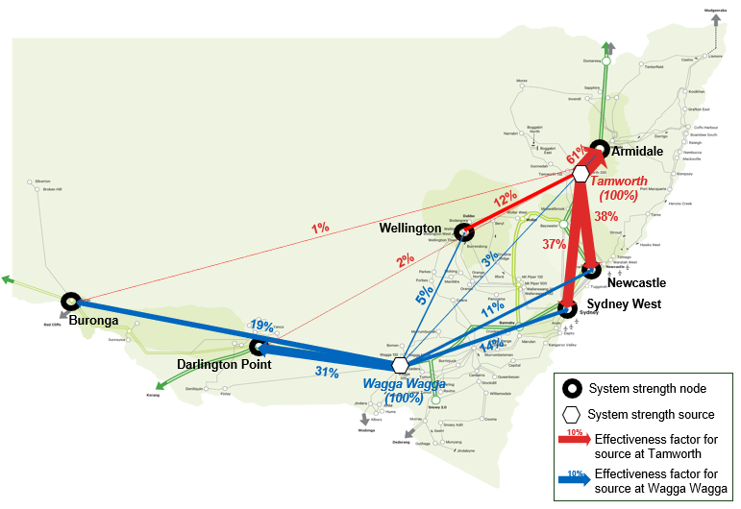

The effectiveness factors for solutions contributing to the minimum level of system strength (i.e. minimum fault level requirements) should be interpreted as follows:
Contribution to node = effectiveness factor x fault current contribution at point of connection
Efficient level of system strength
This data may also provide an indication of the potential for synchronous machines or grid-forming inverter technology to provide stable voltage waveform support (i.e. to support the efficient level of system strength), subject to the following: - The effectiveness factors were not developed for this specific purpose (rather for fault level contributions from synchronous machines); - The effectiveness factors show that system strength solutions are more effective if located close to system strength nodes, which is correct for the minimum level of system strength, but solutions for the efficient level of system strength (stable voltage waveform) are actually more effective if located close to the new IBRs that need to be supported. - The effectiveness of stable voltage waveform solutions is more complex than a fault level assessment – it involves multiple criteria, and is highly dependent on the design and tuning of the solution, and local network phenomena.
Caveats
Please note that this information comes with several caveats. A more detailed description of the methodology behind these effectiveness factors as well as notes on their intended use have been provided in the 'Information for system strength non-network option proponents' supplementary document for this Project Assessment Draft Report (PADR). Changes in background fault levels: effectiveness factors are dependent on the total fault level in the power system (which changes at any one time). As total fault level in the power system increases, the effectiveness factor of each solution decreases, and vice versa. System strength services are most likely to be required when fault levels in the power system are low, so we have calculated a single set of effectiveness factors for the lowest fault level expected 99% of the time. Scaling with size of solution: effectiveness does not scale linearly with the size of the solution; in other words, the effectiveness factor as a percentage depends on the size of the solution. We have calculated effectiveness factors based on a 900MVA (fault level) solution. Smaller solutions than this will have a slightly higher effectiveness factor, and larger solutions will have a slightly lower effectiveness factor. Other: per the disclaimer, these effectiveness factors should be taken as no more than a preliminary indication of the relative effectiveness of different locations for provision of system strength services. They do not indicate the likelihood of securing a system strength contract, or the amount of revenue that could be earned by a system strength solution.

